VM Ref
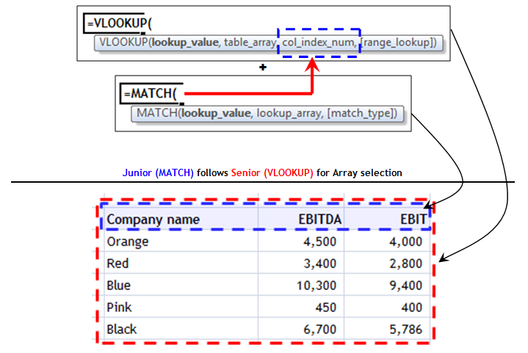
Mnemonic to remember the VLOOKUP+MATCH Combination = Jr follows Sr.

